400
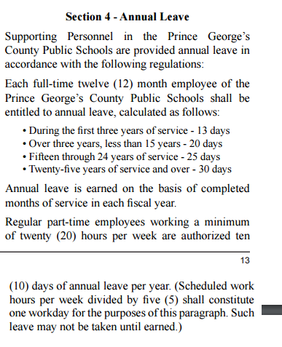
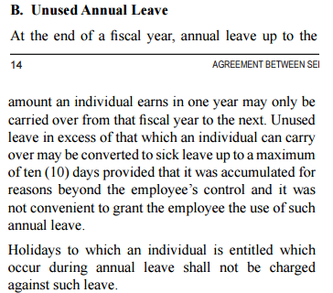
CALCULATE YOUR USE OR LOSE LEAVE

Start by going to Oracle Employee Self Service menu option Leave Balances and Leave Requests
Click on the Show leave accrual balances button to see Annual Leave Projected number of hours

LOCAL 400
< 3yrs of service |  | 3 - 15 years of service | 15 - 24 years of service | > 25 years of service
Annual Leave Projected for Current Fiscal Year | 2.00 | 2.00 | 321.00 | 2.00
Hours worked per day | 2.00 | 2.00 | 8.00 | 2.00
Annual Leave Projected converted to days | 1.00 | 1.00 | 40.13 | 1.00
Annual Leave Balance Carryover(per rules below) | 1.00 | 1.00 | 25.00 | 1.00
Balance | 0.00 | 0.00 | 15.13 | 0.00
Days to be carried over to Sick Balance | 0.00 | 0.00 | 10.00 | 0.00
Use or lose balance | 0.00 | 0.00 | 5.13 | 0.00

